records
Sample Measurement Record
Mano Engineering LLC |  |  |  | Part No. 6057057A
No. | A | B | C
1 | 5.23 | 1.1 | 5.16
2 | 5.19 | 1.09 | 5.08
3 | 5.19 | 1.07 | 5.11
4 | 5.18 | 1.08 | 5.15
5 | 5.11 | 1.08 | 5.19

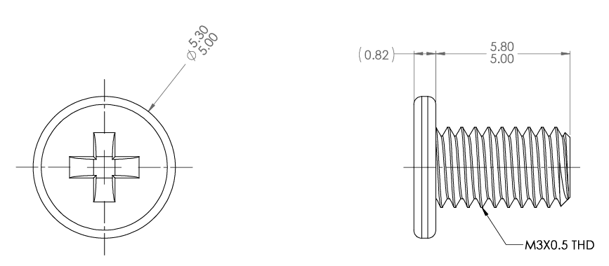
A

B
C

